How to Make Adjustments
This tab provides examples about how to modify the parameters of the cost model. It is possible to update the cost modeling by editing certain parameters used for ingredients, unit prices and adjustments.

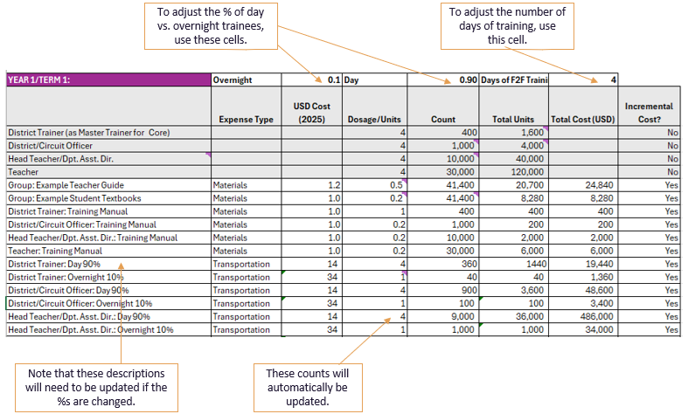

To change the ingredients/design for the training, for example, you can make edits to key assumptions. See example to the right to change the % of day and the % of overnight trainees.

Use the "Prices_non-Labor" tab to change the unit prices used in the model. These changes will automatically update the pricese used on ALL cost modeling tabs. Do not change unit prices on any of the other tabs. For example, if you want to change the per diem rates, you would do that on this sheet.

MULTI-YEAR SUMMARY
 | Cost per Student | % of total cost | Cost per Student | % of total cost | Cost per Student | % of total cost | Cost per Student | % of total cost
 | YEAR 1 | YEAR 1 | YEAR 2 | YEAR 2 | YEAR 3 | YEAR 3 | YEAR 4 | YEAR 4 | 4 YEAR TOTAL

Training | 5.11 | 75% | 3.09 | 78% | 2.52 | 74% | 2.61 | 55% | 13.33

Incremental cost by program component, years 1-4
 | Training | Materials | Instructional Coaching
YEAR 1 | 75% | 15% | 10%
YEAR 2 | 78% | 3% | 19%
YEAR 3 | 74% | 4% | 23%
YEAR 4 | 55% | 29% | 17%
Materials | 1.03 | 15% | 0.11 | 3% | 0.12 | 4% | 1.37 | 29% | 2.64
Instructional Coaching | 0.71 | 10% | 0.74 | 19% | 0.77 | 23% | 0.81 | 17% | 3.03
TOTAL | 6.84 | 100% | 3.94 | 100% | 3.42 | 100% | 4.80 | 100% | 19.00
Incremental cost per student per year over time, years 1-4
 | Training | Materials | Instructional Coaching | TOTAL
YEAR 1 | 511% | 103% | 71% | 684%
YEAR 2 | 309% | 11% | 74% | 394%
YEAR 3 | 252% | 12% | 77% | 342%
YEAR 4 | 261% | 137% | 81% | 480%

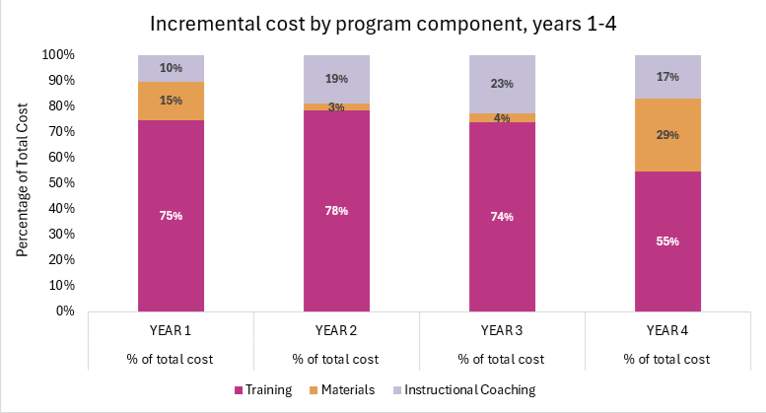
Average cost of $4.80 per student per year
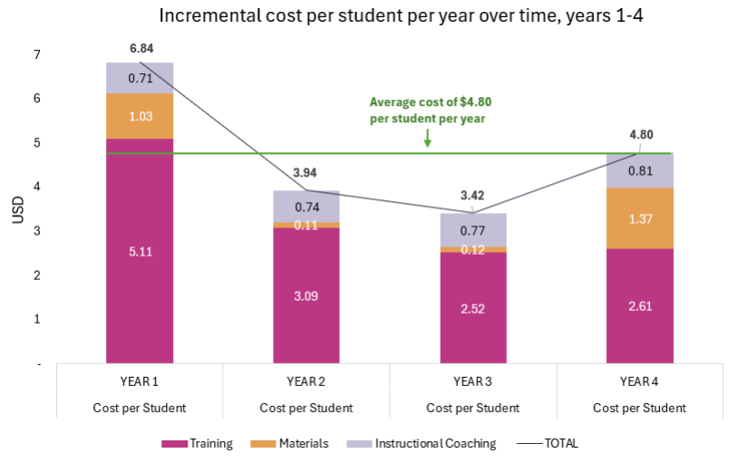

Incremental cost per student over median SSA government annual expenditure, year 1
WITH BASELINE GOVT INVESTMENT @ 10% inflation
 | Cost per student | % of total cost | Cost per student | % of total cost | Cost per student | % of total cost | Cost per student | % of total cost |  | PER CLIO GRAPH ONLY YEAR 1
 | YEAR 1 | YEAR 1 | YEAR 2 | YEAR 2 | YEAR 3 | YEAR 3 | YEAR 4 | YEAR 4
Median Government Expenditure (SSA) | 306 |  | 337 |  | 370 |  | 407
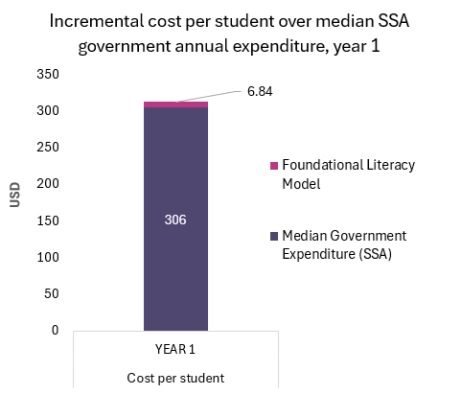
Training | 5.11 | 0.75 | 3.09 | 0.78 | 2.52 | 0.74 | 2.61 | 0.55

Materials | 1.03 | 0.15 | 0.11 | 0.03 | 0.12 | 0.04 | 1.37 | 0.29
Instructional Coaching | 0.71 | 0.10 | 0.74 | 0.19 | 0.77 | 0.23 | 0.81 | 0.17
Foundational Literacy Model | 6.84 |  | 340 |  | 373 |  | 411

BY EXPENSE TYPE FULL PROGRAM
 | YEAR 1 | YEAR 2 | YEAR 3 | YEAR 4
Materials | 16.42% | 5.15% | 6.53% | 30.85%
Meals/Per Diem | 29.31% | 32.10% | 31.34% | 23.03%
Transportation | 45.96% | 52.25% | 52.47% | 38.55%
Facilities | 8.30% | 10.49% | 9.66% | 7.58%
Cost estimate by expense type
 | 100.00% | 100.00% | 100.00% | 100.00%

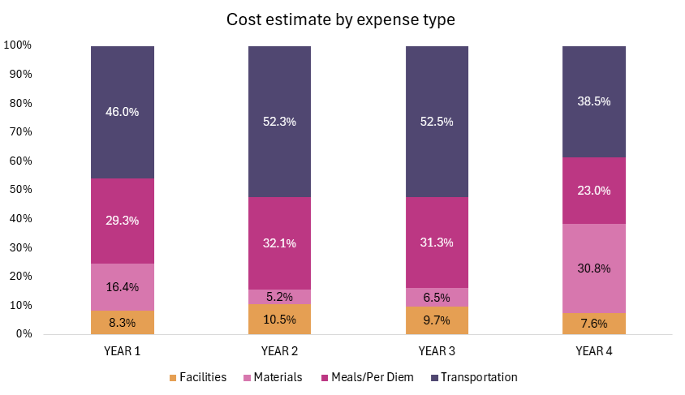
 | YEAR 1 | YEAR 2 | YEAR 3 | YEAR 4
Facilities | 8.3% | 10.5% | 9.7% | 7.6%
Materials | 16.4% | 5.2% | 6.5% | 30.8%
Meals/Per Diem | 29.3% | 32.1% | 31.3% | 23.0%
Transportation | 46.0% | 52.3% | 52.5% | 38.5%

Cost by Expense Type | Year 1
Total Year 1 | 8,213,595
Materials | 1,348,824
Materials % of total program cost | 16%
Meals/Per Diem | 2,407,650
Meals/Per Diem % of total program cost | 29%
Transportation | 3,775,121
Transportation % of total program cost | 46%
Facilities | 682,000
Facilities % of total program cost | 8%
0 | - | 8,213,595
0 | 0%
0 | 0
0 | 0
0 | 0

Instructional Coaching
YEAR 1 | Total | % of Total | Marginal Incremental Cost Per Student | Instructional Coaching Model: 3 visits per school per term, 1:10 coach to school ratio.
 |  |  |  | Model Assumptions -Y ear 1 Preparation |  |  | Model Assumptions: Year 1 Delivery
Training | 220,008 | 27% | 0.18 | Days of Level 1 training |  | 2 | Observations/Coaching per school/per year |  | 9
 |  |  |  | Days of Level 2 training |  | 3

Delivery | 584,531 | 73% | 0.49
 |  |  |  | % of Level 1 training with overnight travel |  | 1.00
Total | 804,539 |  | 0.67 | % of Level 2 training with overnight travel |  | 0.10

Instructional Coaching incremental cost per student (USD), year 1
YEAR 1: Level 1 | Overnight | 1.00 |  |  |  | Days of Training | 2
Master Training at national/regional level: communications, equipment costs not incurred and/or excluded from analysis. All MT participation is centralized and requires overnight. | Expense Type | USD Cost (2025) | Dosage/Units | Count | Total Units | Total Cost (USD) | Incremental Cost?
National Trainer |  |  |  | 20 | - |  | No
District Trainer |  |  |  | 100 | - |  | No
Group: Example Teacher Guide | Materials | 1.2 | 1 | 120 | 120 | 144 | Yes
Group: Example Student Textbooks | Materials | 1.0 | 0.2 | 120 | 24 | 24 | Yes
National Trainer: Training, Observation Manual | Materials | 1.0 | 1 | 20 | 20 | 20 | Yes
District Trainer: Training, Observation Manual | Materials | 1.0 | 1 | 100 | 100 | 100 | Yes
National Trainer | Transportation | 34.0 | 1 | 20 | 20 | 680 | Yes
District Trainer | Transportation | 34.0 | 1 | 100 | 100 | 3,400 | Yes
National Trainer | Meals/Per Diem | 24.0 | 2 | 20 | 40 | 960 | Yes
District Trainer | Meals/Per Diem | 24.0 | 2 | 100 | 200 | 4,800 | Yes
Facility | Facilities | 110.0 | 2 | 20 | 40 | 4,400 | Yes

Instr Coach Master Training: total costs | USD |  | Master Training: per unit costs |  |  | USD | Master Training: by expense type (incremental) |  | USD | exp type (increm) %
Coach Master Training: total incremental cost | 14,528 |  | Coaching Master Training: per district cost (incremental) |  |  | 145 | Coaching Master Training: Materials (incremental) |  | 288 | 2%
 |  |  | Coaching Master Training: per school cost (incremental) |  |  | 1.5 | Coaching Master Training: Transportation (incremental) |  | 4,080 | 28%
 |  |  | Coaching Master Training per teacher cost (incremental) |  |  | 0.5 | Coaching Master Training: Meals/Per Diem (incremental) |  | 5,760 | 40%
 |  |  | CoachingTraining per student cost (incremental) |  |  | 0.01 | Coaching Master Training: Facilities (incremental) |  | 4,400 | 30%

YEAR 1: Level 2 | Overnight | 0.10 | Day | 0.90 | Days of F2F Training | 3
 | Expense Type | USD Cost (2025) | Dosage/Units | Count | Total Units | Total Cost (USD) | Incremental Cost?
District Trainer (as Master Trainer for Level 2) |  |  | 3 | 100 | 300 |  | No
District/Circuit Officer |  |  | 3 | 1,000 | 3,000 |  | No
Group: Example Teacher Guide | Materials | 1.2 | 1.0 | 1,000 | 1,000 | 1,200 | Yes
Group: Example Student Textbooks | Materials | 1.0 | 0.2 | 1,100 | 220 | 220 | Yes
District Trainer: Training, Observation Manual | Materials | 1.0 | 0 | 100 | - | - | Yes
District/Circuit Officer: Training, Observation Manual | Materials | 1.0 | 1 | 1,000 | 1,000 | 1,000 | Yes
District Trainer: Day 90% | Transportation | 14 | 3 | 90 | 270 | 3,645 | Yes
District Trainer: Overnight 10% | Transportation | 34 | 1 | 10 | 10 | 340 | Yes
District/Circuit Officer: Day 90% | Transportation | 14 | 3 | 900 | 2,700 | 36,450 | Yes
District/Circuit Officer: Overnight 10% | Transportation | 34 | 1 | 100 | 100 | 3,400 | Yes
District Trainer: Day 90% | Meals/Per Diem | 7 | 3 | 90 | 270 | 1,755 | Yes
District Trainer: Overnight 10% | Meals/Per Diem | 24 | 3 | 10 | 30 | 720 | Yes
District/Circuit Officer: Day 90% | Meals/Per Diem | 7 | 3 | 900 | 2,700 | 17,550 | Yes
District/Circuit Officer: Overnight 10% | Meals/Per Diem | 24 | 3 | 100 | 300 | 7,200 | Yes
Facility | Facilities | 110 | 3 | 400 | 1,200 | 132,000 | Yes

 | USD |  |  |  |  | USD |  |  | USD | exp type (increm) %
Instructional Coaching Training: total incremental cost | 205,480 |  | Instructional Coaching Training per school cost (incremental) |  |  | 20.5 | Instr Coach Training: Materials (incremental) |  | 2,420 | 1%
 |  |  | Instructional Coaching Training per teacher cost (incremental) |  |  | 6.8 | Instr Coach Training: Transportation (incremental) |  | 43,835 | 21%
 |  |  | Instructional Coaching Training per student cost (incremental) |  |  | 0.17 | Instr Coach Training: Meals/Per Diem (incremental) |  | 27,225 | 13%
 |  |  |  |  |  |  | Instr Coach Training: Facilities (incremental) |  | 132,000 | 64%
 |  |  |  |  |  |  |  |  |  | 1

Instructional Coaching Delivery: (tablet recommended but not included in the cost model) | Expense Type | USD Cost (2025) | Dosage/Units | Count | Total Units | Total Cost (USD) | Incremental Cost?
District/Circuit Officer | Labor |  | 9 | 10,000 | 90,000 |  | No
District/Circuit Officer | Transportation | 10.9 | 9 | 10,000 | 30,000 | 326,531 | Yes
District/Circuit Officer | DSA/Meals | 6.8 | 9 | 10,000 | 30,000 | 204,000 | Yes
District/Circuit Officer | Materials | 0.30 | 9 | 10,000 | 180,000 | 54,000 | Yes

Instructional Coaching | USD |  |  |  |  | USD |  |  | USD | exp type (increm) %
Instructional Coaching: total incremental cost | 584,531 |  | Instr Coaching per school cost (incremental) |  |  | 58.5 |  | Instr Coaching: Materials (incremental) | 54,000 | 9%
 |  |  | Instr Coaching per teacher cost (incremental) |  |  | 19.5 |  | Instr Coaching: Transportation (incremental) | 326,531 | 56%
 |  |  | Instr Coaching per student cost (incremental) |  |  | 0.49 |  | Instr Coaching: DSA/Meals (incremental) | 204,000 | 35%
 |  |  |  |  |  |  |  |  |  | 100%

